Monitoring Point Locations
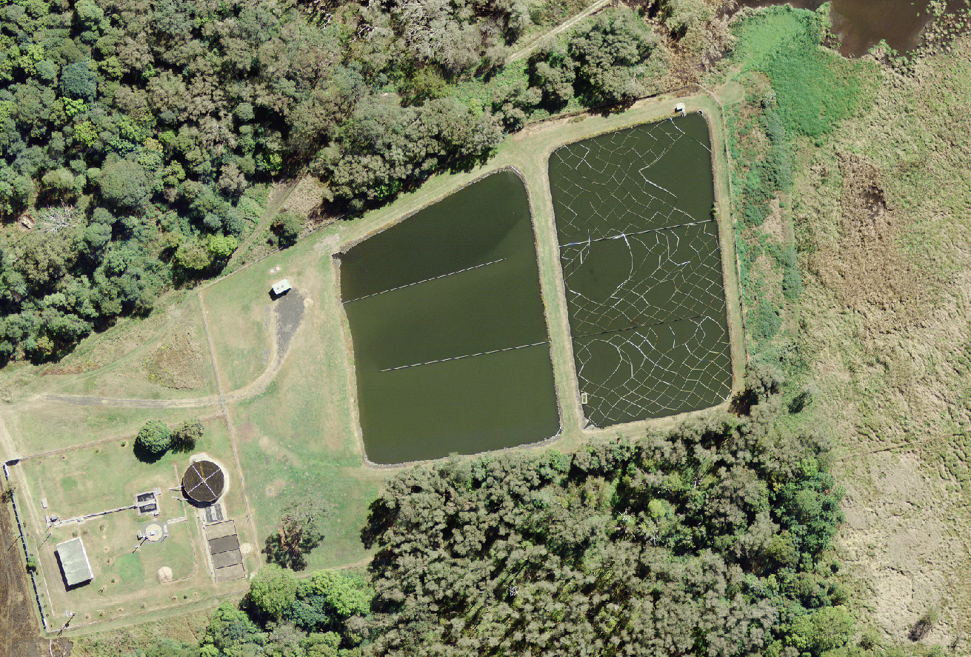
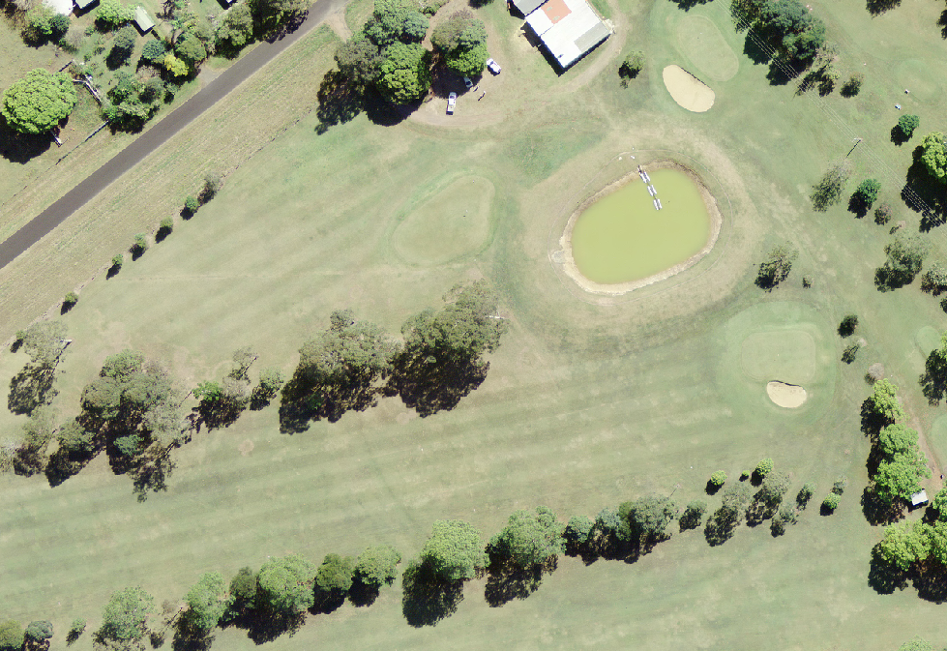

EPA Point 1 Discharge to water
EPA Point 3 Effluent quality monitoring

EPA Point 4 Volume monitoring (Reuse)

EPA Point 6 Discharge to Golf Club irrigation

EPA Point 5 Effluent quality monitoring

EPA Point 2 Total volume monitoring

