Monitoring Point Locations
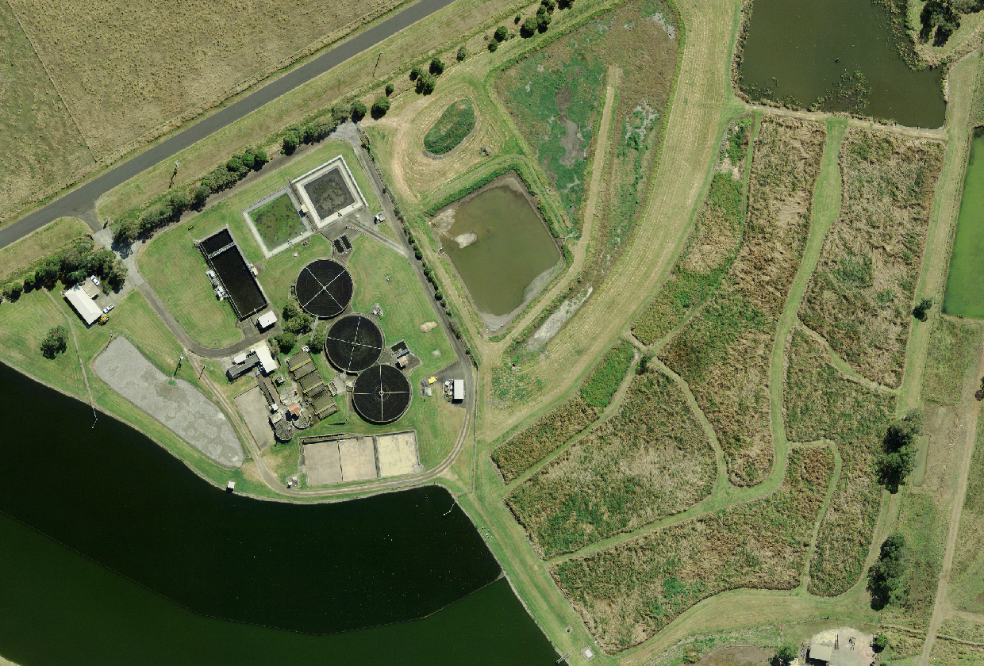

EPA Point 1 Discharge to waters effluent quality monitoring

EPA Point 2 Total volume monitoring

EPA Point 3 Discharge to utilisation area & volume monitoring

